Task 3.6
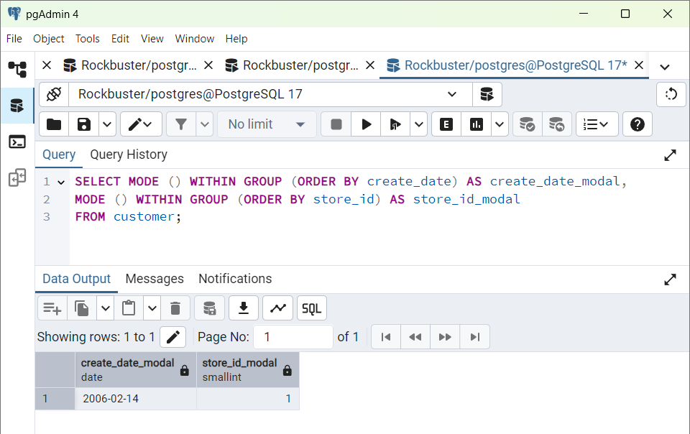
 | Rockbuster Stealth
 | Data Outputs

STEP 2
Summarizing the data for numerical values(Film Table Query)

 | Min | MAX | avg_release_year | year_count | row_counts
Release | 2006 | 2006 | 2006 | 1000 | 1000
Rental duration | 3 | 7 | 4.985 | 1000 | 1000
Rental Rate | 0.99 | 4.99 | 2.98 | 1000 | 1000
Length | 46 | 185 | 115.272 | 1000 | 1000
Replacement count | 9.99 | 29.99 | 19.984 | 1000 | 1000

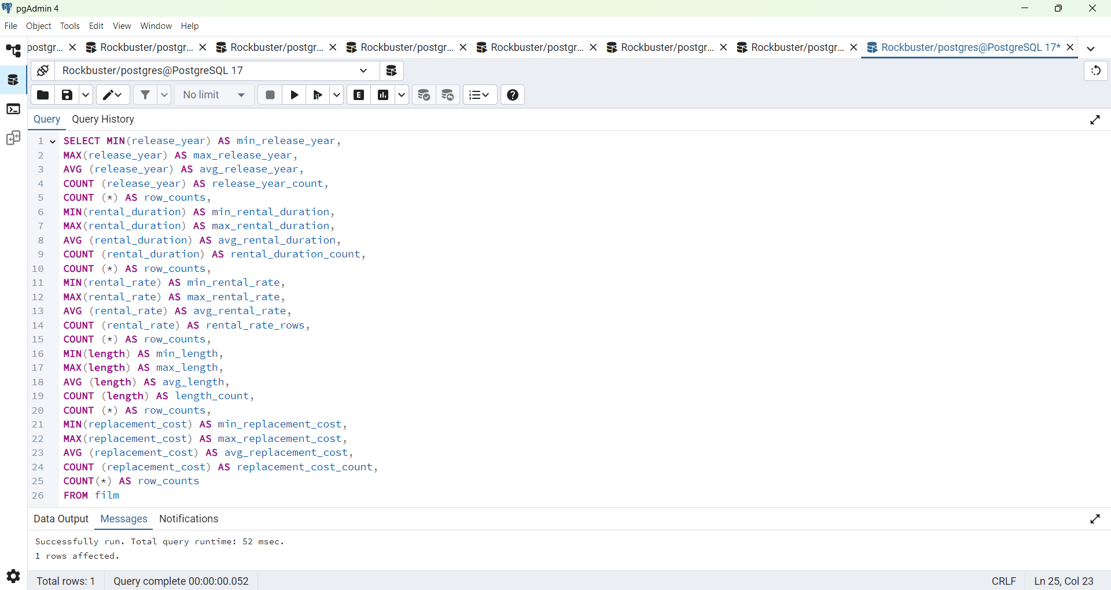

Summarizing the data for the non-numerical values(Film Query Table)

 | Language_id_modal | Rating_modal
1 | 1 | PG-13

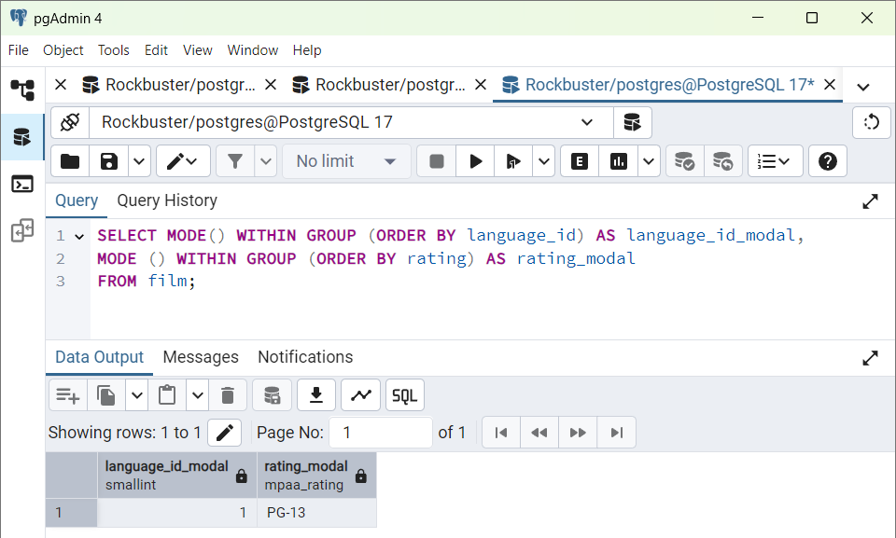

Summarizing the data for the non-numerical values(Customer Query Table)

Non-numerical values:

Modal_create_date | modal_store_id
2006-02-14 | 1

TASK 3.7
 | Rockbuster Stealth
 | Data Outputs

STEP 1
Write a query to find the top ten countries for Rock Buster in terms of customer numbers.

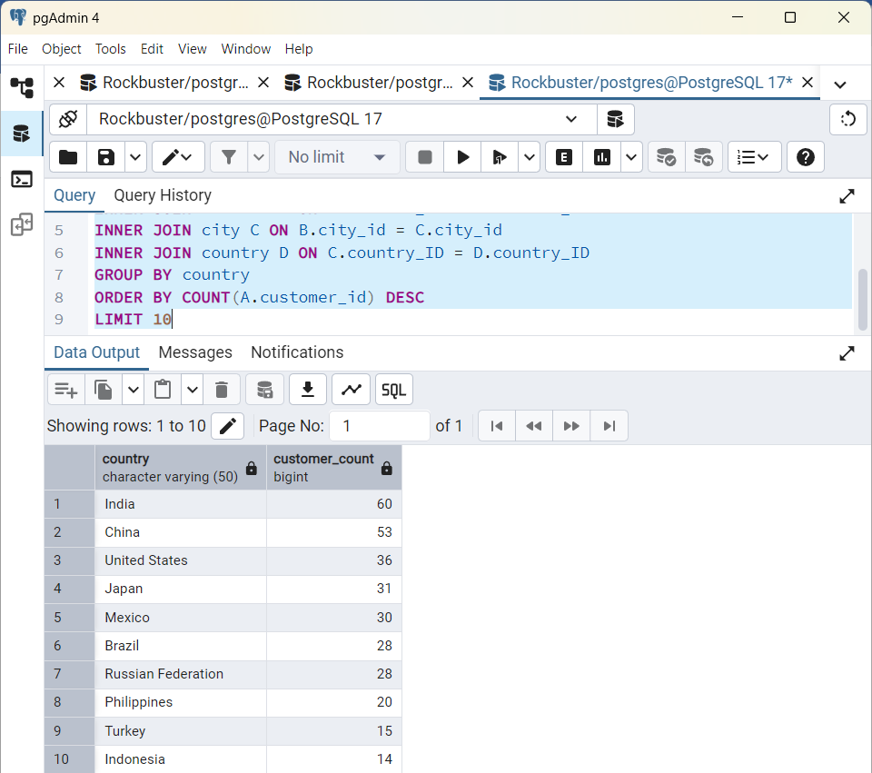
Country | Customer_count
India | 60
China | 53
United States | 36
Japan | 31
Mexico | 30
Brazil | 28
Russian Federation | 28
Philippines | 20
Turkey | 15
Indonesia | 14

STEP 2
Write a query to identify the top ten cities that fall within the top ten countries you identified in step 1.

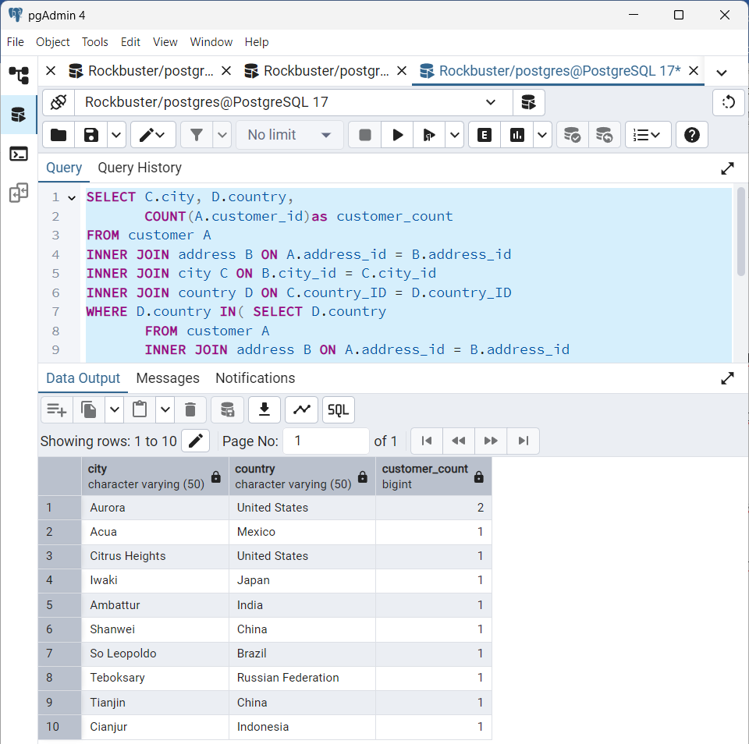
City | Country | Customer_count
Aurora | United States | 2
Acua | Mexico | 1
Citrus Heights | United States | 1
Iwaki | Japan | 1
Ambattur | India | 1
Shanwei | China | 1
So Leopoldo | Brazil | 1
Teboksary | Russian Federation | 1
Tianjin | China | 1
Cianjur | Indonesia | 1

STEP 3
Write a query to find the top 5 customers from the top 10 cities who’ve paid the highest total amounts to Rockbuster.

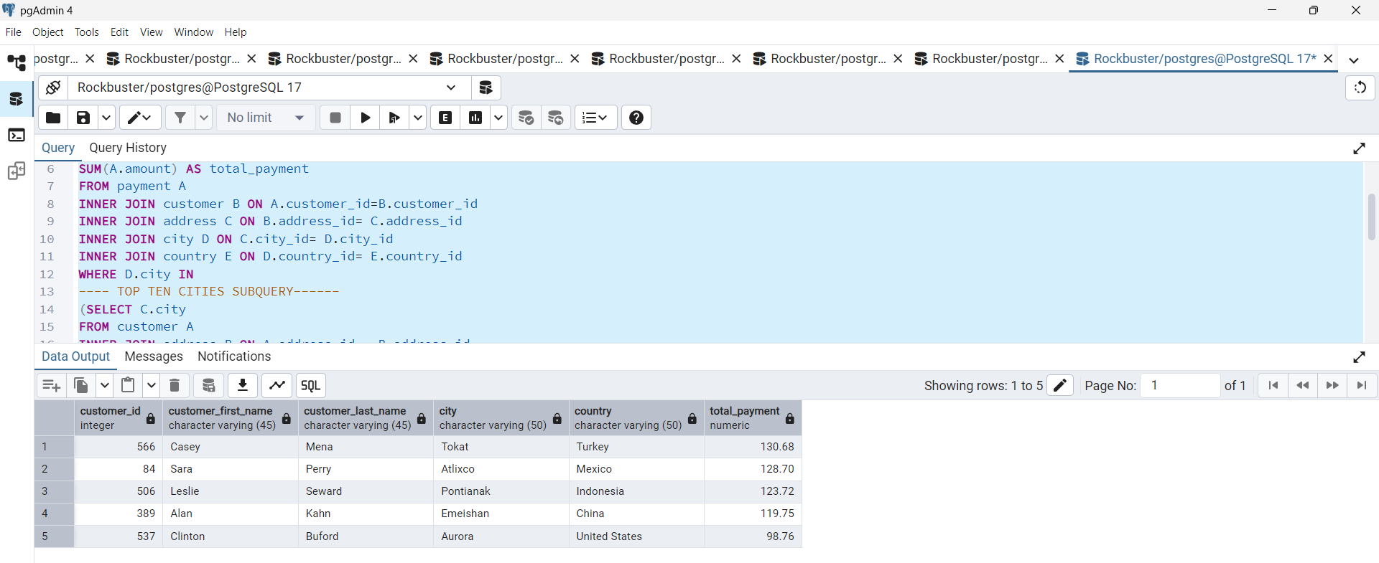
customer_id | customer_first_name | customer_last_name | city | country | total_payment
566 | Casey | Mena | Tokat | Turkey | 130.68
84 | Sara | Perry | Atlixco | Mexico | 128.7
506 | Leslie | Seward | Pontianak | Indonesia | 123.72
389 | Alan | Kahn | Emeishan | China | 119.75
537 | Clinton | Buford | Aurora | United States | 98.76

